Bouyancy
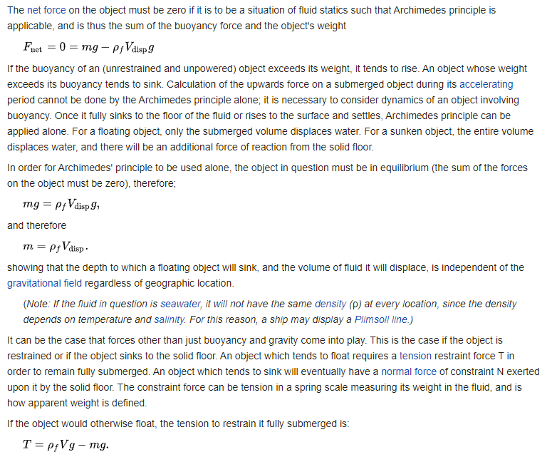
This page addresses Bouancy and changing its effects
If we consider our situation in "Steady State" or on time scales small enough we could use Archemede's principle
Below is a screen grab from a wikipedia article

So we change "Floatyness" by adding mass, not by increasing bouancy
Bouancy remains the same regardless of object mass
HOWEVER, pay attention to the note seen in the article above, we might have to implement a look-up table at a later date

Using Basic mechanics, we can solve out for tension given different angles, and then force in X direction, which then corresponds to water velocity and density

Anti-Rotation
Anti-Rotation Requirment
Essentially we need a way to attach to the canister from the weight that either resists or dampens torque on the cyclinder

Assumptions
Generally Symetrical Shape
localized uni-directional flow
If cables used, no localized fluid force on cables
No greater than the weight of the object as a torsional element |  | Shitty assumption

Essentially, the connection method must be able to withstand torsional stress or return forces that cancels torques
1 | Pole With Ball Joint
2 | Multiple Strings w/ common atachment point
3 | Anti Torsion Cable

Canopy-to-risers on a parachute probably our best bet |  | WITH an anti-torsin cable as our base
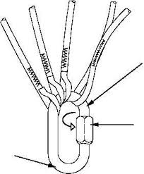

If we are doing a canopy design, the retention ring needs to slide over the body of the PVC, glue onto it, then have hole provsions for the risers to go through
I am imagining something like this

Sizing
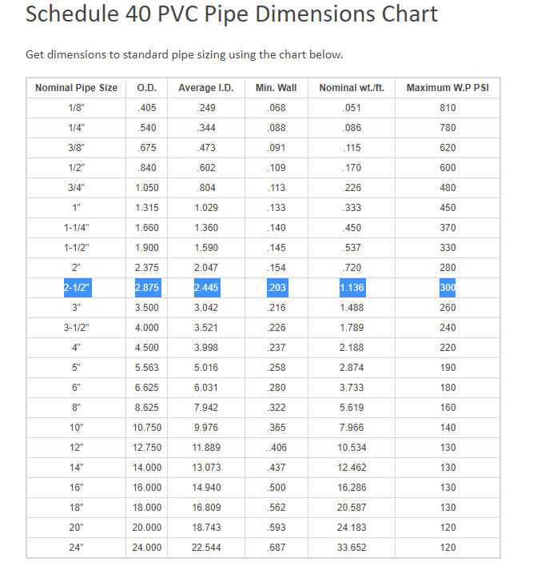
Breadboard/IMU
Pipe
PVC Pipe comes in different "Schedules"
Schedule 40 | White, Thinner walls holds less pressure
Schedule 80 | Gray, Thicker walls holds more pressure

We're going for Schedule 40

Sizing
Name | Value | Units
BreadBoard w | 2.25 | in
BreadBoard t | 1 | in
BreadBoard L | 6.5 | in

2.5 Nominal PVC Pipe Margin
Name
Diameter | 2.445 | in
Length | 7 | in
Margin W | 0.0975 | in
Margin t | 0.7225 | in
Way too tight on width margin

3 Nominal PVC Pipe Margin
Name
Diameter | 3.042 | in
Length | 7 | in
Margin W | 0.396 | in
Margin t | 1.021 | in
Margin L | 0.25 | in
Weigth of Length | 0.868 | lbs

https://www.pvcfittingsonline.com/resource-center/pipe-fittings-sizes-guide/
Other Required Components
Name | Quanitity | Notes
3" nom. PVC cap | 2 | This will be put on the end of the pipe as well as serving as a cap for how we can close out the system
3" union | 1 | This will be how we can access the IMU and Breadboard without having to cut the pipe every time

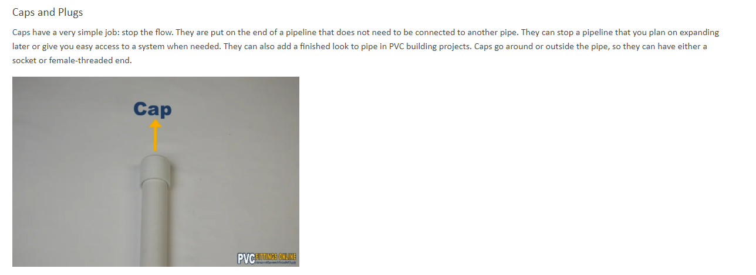

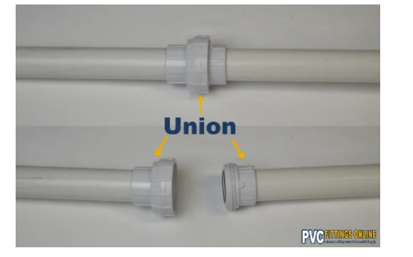

Note: Why a union?
Unions are going to let us screw and unscreww the top of our assembly to allow us to gain access to the inside. The other thing thats nice about unions is that the ID of the union and the pipe are the same, so our insert that we add (See insert sheet) can slide in and out of the pipe freely

PVC Outer Design
Cap
PVC Pipe
Union, Male
Union, Female
Cap
Anchor Ring

Insert
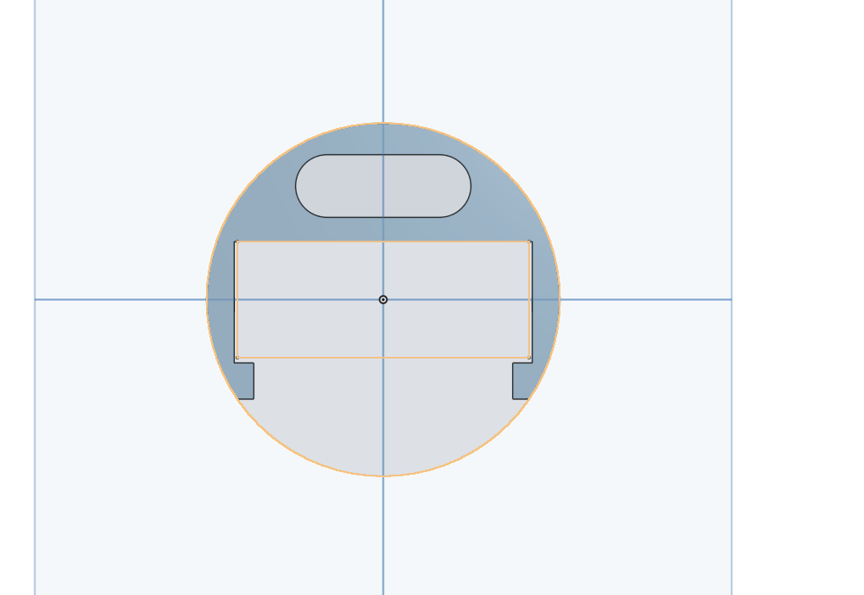
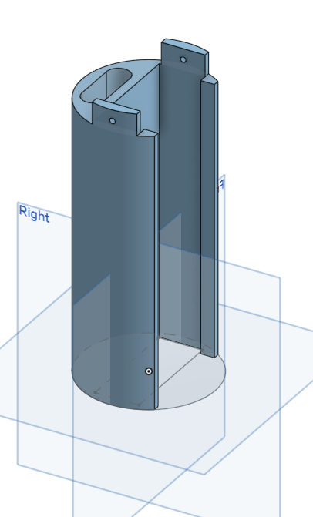
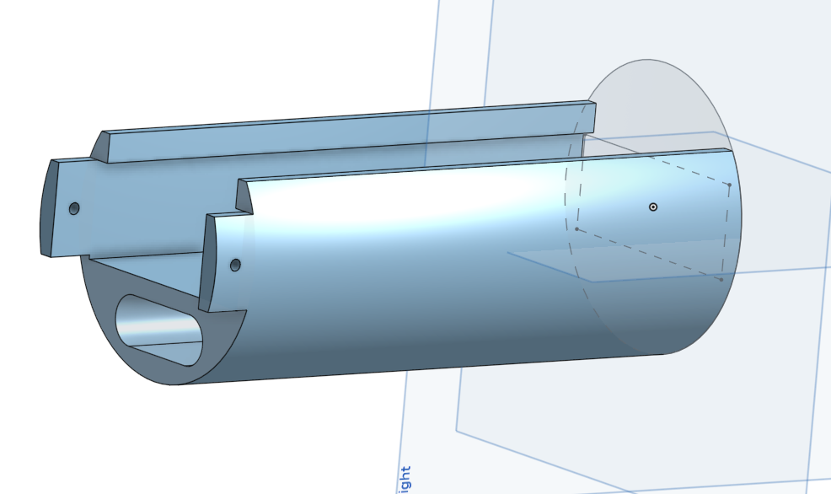
Features:
Bed allows Sticky bread booard mounting surface
OD of the entire print allows a sliding fit inside the pvc tube
Hole provisions on the tabs are for set screws to limit rotation inside the part
Oval slit at the bottom is for changing weight/COM as needed

Overview
PVC Body
Retaining Ring
Risers
Union
Cap
Insert goes here with IMU and Bread Board
Force Buoyancy
Force Gravity
Force Tension
Force Current
Knowns:
Buoyancy
Gravity
Force Tension Y Component
Angle
Back Solve
Force due to current
Characterization of cylinder leads to
Fluid Velocity of current
Water Velocity

